Sheet1
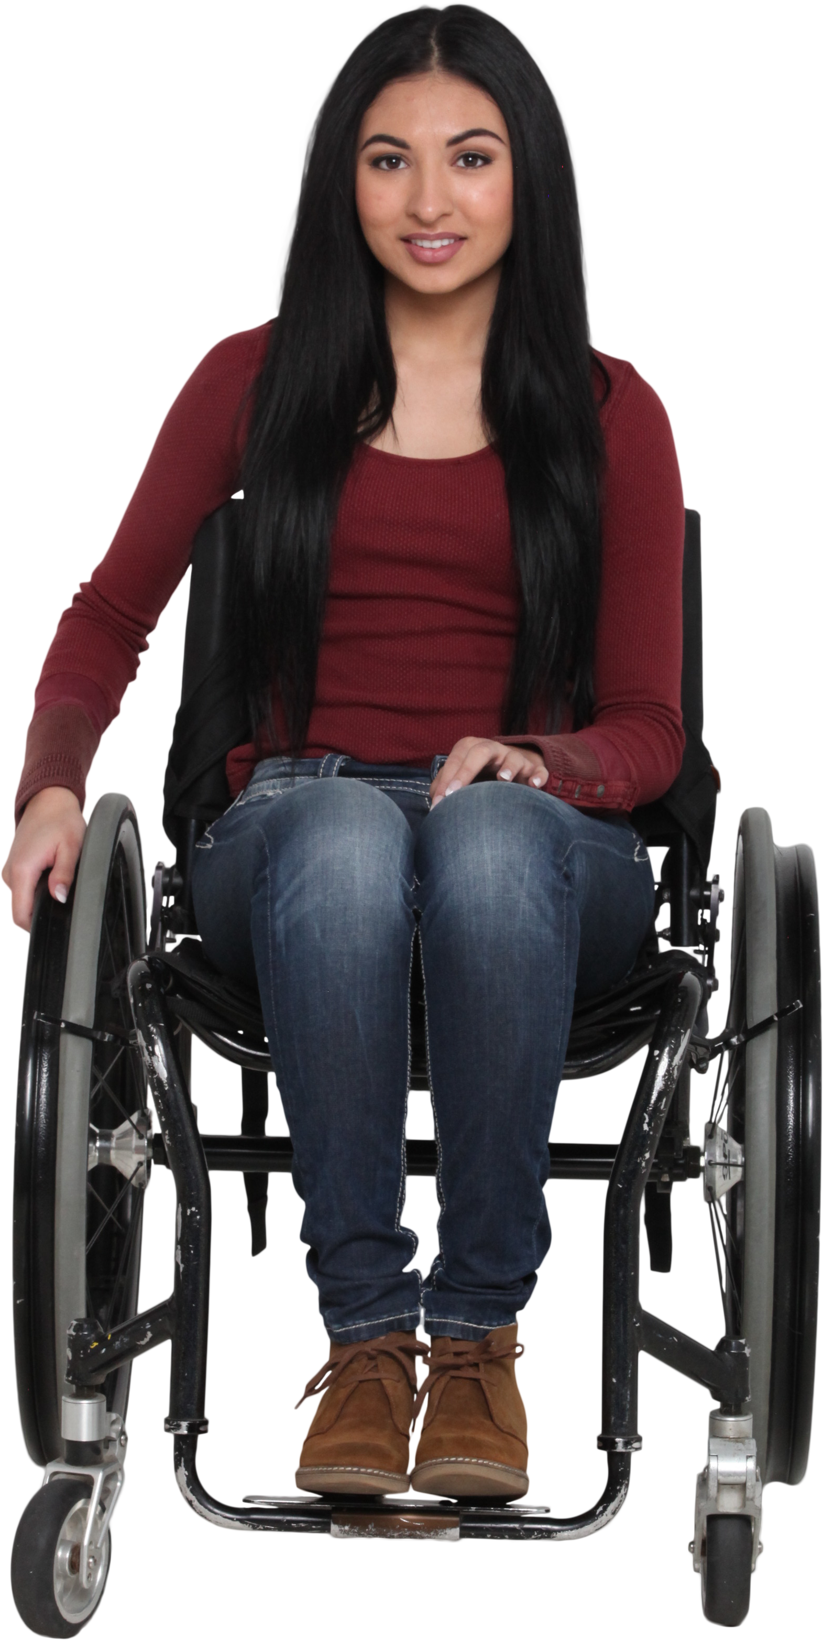
Words | Answer Expected
Car | 68
Love | 174
Aurora | 246
Elixir | 244
Eternity | 388
Lagoon | 193
Rainbow | 262
Generate first 26 prime numbers starting with 2 till 101 (101 is 26th prime number). Assign them to English alphabets sequentially.
Hence A=2, B=3.......Y=97, Z=101.
Sum the numbers for English words given in Words.
Car = C(5) + A(2) + R(61) = 68
Silhouette | 430

